hacci
Picture | Style | Content/Weight | Pattern | FOB | WB | Special COMM | Our COMM
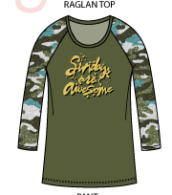 | reglan top | 62%rayon 3%poly 5%span 140g | solid body+alloverprint sleeve | $4.55 | $3.65 | 0.1 | $0.8

 | pant | 70%rayon 25%poly 5%span 170g | all over print | $6.05 | $5.5 | 0.1 | $0.45

 | reglan top | 62%rayon 3%poly 5%span 140g | all over print | $4.55 | $3.95 | 0.1 | $0.5

 | pant | 70%rayon 25%poly 5%span 170g | solid | $5.35 | $4.80 | 0.1 | $0.45

