june
Despatch Note# | Delivery Captured | Tracking# | Freight Charge (RMB)
DBCN35288 HOT LINE | 2019-06-05 | SF Collect# 167 253 541 060 | 175.00
DBCN35814 HOT LINE | 2019-06-27 | SF Collect# 167 244 819 486 | 838.00
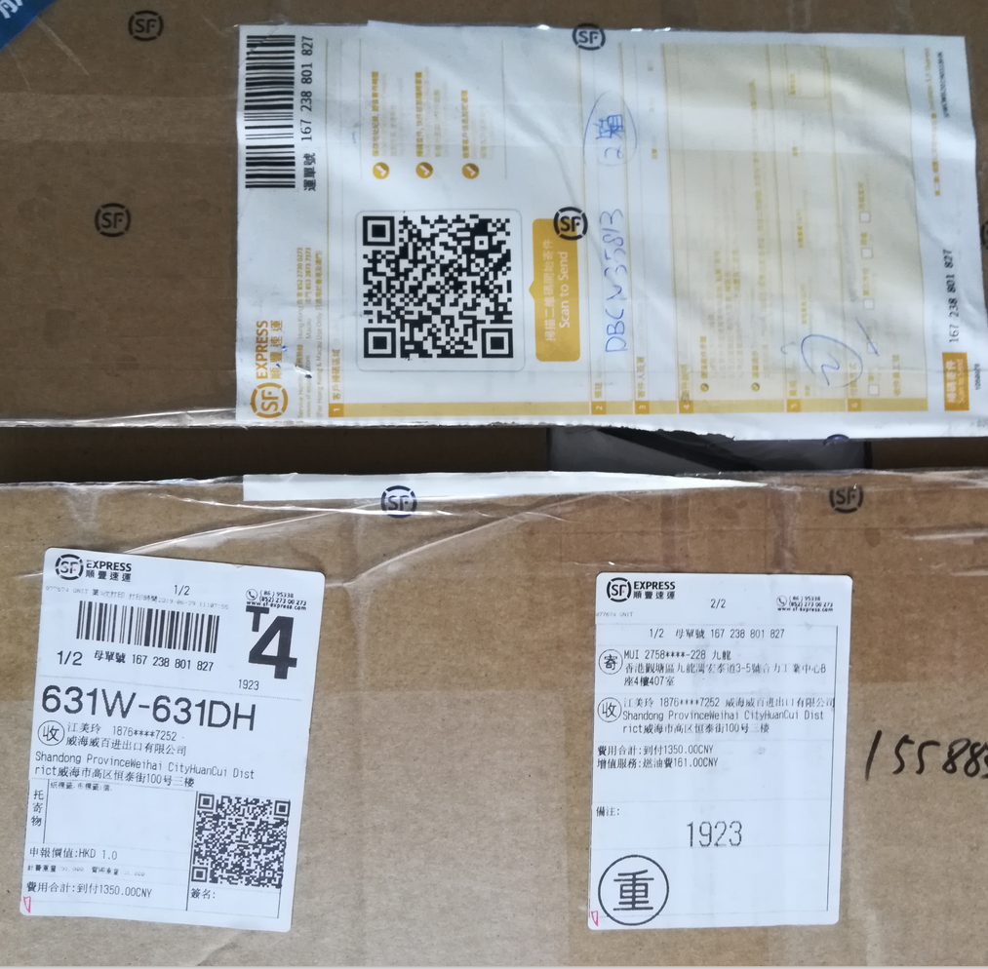
DBCN35287 EJ | 2019-06-05 | SF Collect# 167 252 799 633 | 201.00
DBCN35813 EJ | 2019-06-29 | SF Collect# 167 238 801 827 | 1,350.00

 |  | Total: | 2,564.00 | 406.98412698
