Sheet1
 | GOWN STYLE CANCEL |  |  |  |  |  |  |  | USE FABRIC IN:
pictures | Style Number | Description | Look Name | Colour |  | original lace/care label fee |  |  | Style Number | Description | Total units | 2ND care label fee | third change | wastage fabric
 | 208065 | CHEMISE LACE OVERLAY | CAMO SLEEP | COBALT | 00208065 lace /sticker/care label fee-1000pcs | $650.00 | change to => |  | 00208058 | top -size range14/16-30/32 | 1600 | $240.00 | hold?
 | 208054 | STRAPPY CHEMISE | BLUSHING BUTTERFLY SLEEP | DITZY PRINT | 00208054sticker /care label fee -1000pcs | $150.00 | change to => |  | 00208052 | slp shirt 39"size range14/16-30/32 | 1340 | $201.00 | cut 250 maxi &650 shirt-39";150pcs wastage | $650.00
 | 208071 | STRAP NIGHTIE | PAISLEY SLEEP | GEO PRINT | 00208071sticker/care label fee-1000pcs | $150.00 | change to => |  | 00209803 | slp shirt 39"size range14/16-30/32 | 1200 | $180.00 | cut 250 maxi &650 shirt-39";150pcs wastage | $650.00
 |  |  |  |  |  | $950.00 |  |  |  |  |  | $621.00 |  | $1,300.00
 |  |  |  |  |  | DN20-007 |  |  |  |  |  | DN20-008 |  | DN20-008
 |  |  |  |  |  |  |  |  |  |  |  |  |  | -700

 |  |  |  |  |  |  |  | WE PAID LoCEL TRUCKING QINGDAO TO SHANGHAI $300 AND SHARE FREIGHT$700 TAOTAL$1000

 |  | REORDER CHARGE |  |  |  |  | WB cost
 |  | DN20-007 |  |  | $950.00 | 12/3received | 2021-12-02 | 威百电邮： | ¥5,410.30
 |  |  |  |  |  |  | 2021-12-10 | 威百电邮： | ¥957.00
 |  | DN20-008 |  |  | $621.00 | 12/15 received
 |  | (20-008missing fabric wastage $1300)
 |  | DN20-009 | Change pant to Short |  | $450.00 | 12/15 received
 |  | DN20-010 | Chemise Lace Trim |  | $300.00 | 12/15 received
 |  | DN20-008 | part of 1300 |  | $700.00 | 3/16 received
 |  | DN20-008 | part of 1300 |  | $600.00 | 3/29 received
 |  |  | TOTAL RECEIVED |  | $3,621.00 |  |  | TOTAL: | ¥6,367.30

 |  |  |  |  |  |  |  | 计划4/16 付威百 | $979.58

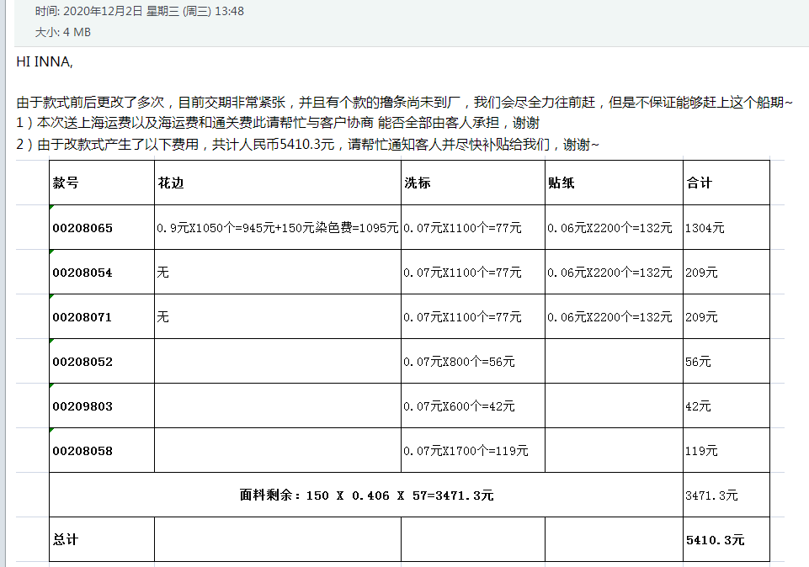

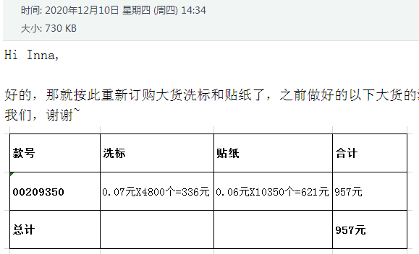

 |  | Change pant to Short

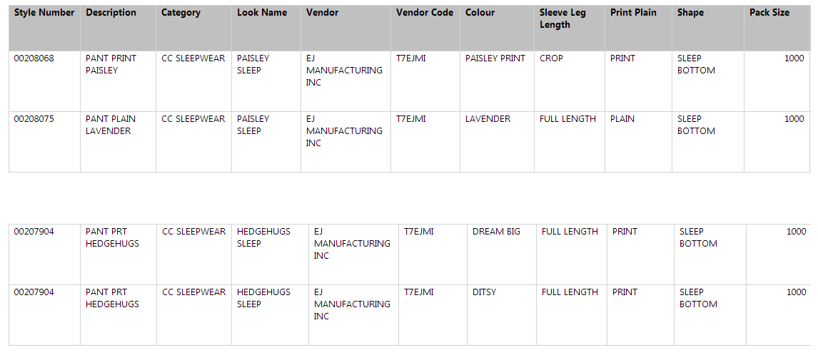

 |  | Chemise Lace Trim

